In-details
 |  | Introduction of Angular

 |  |  | INTRODUCTION
 |  | 1 | JavaScript Framework
 |  | 2 | Single Page Application (SPA)
 |  | 3 | Modular Approach (Reuse Code).
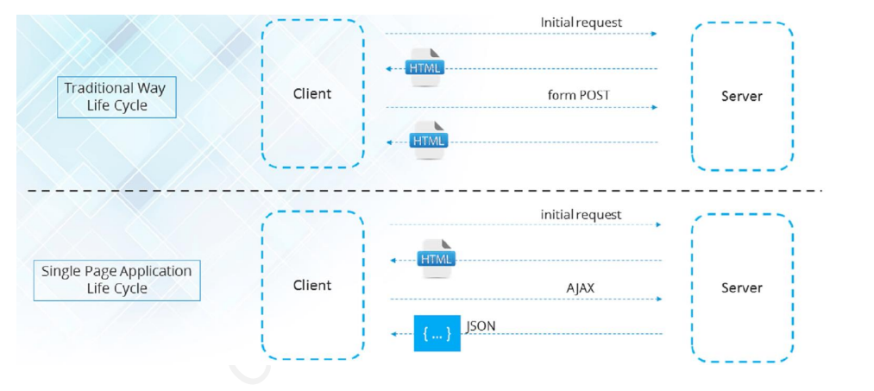
 |  | 4

Angular Features

 |  | 1 | Mobile Development
 |  | 2 | TypeScript
 |  | 3 | Improved dependence injection
 |  | 4 | Improve Data binding
 |  | 5 | Directives
 |  | 6 | Improved routing
 |  | 7 | Browser support
 |  | 8 | Cross Platform

 | Angular History

 |  | Angular Versions

 |  |  | Angular Js |  |  |  |  | Angular
 |  |  |  | 1.0 |  |  |  |  | 2.0
 |  |  |  | 1.1 |  |  |  |  | 4.0
 |  |  |  | 1.2 |  |  |  |  | 5.0
 |  |  |  | …. |  |  |  |  | 6.0
 |  |  |  | 1.7 |  |  |  |  | 7.0
 |  |  |  |  |  |  |  |  | 8.0
 |  |  |  |  |  |  |  |  | 9.0
 |  |  |  |  |  |  |  |  | 10.0
 |  |  |  |  |  |  |  |  | 11.0
 |  |  |  |  |  |  |  |  | 12.0
 |  |  |  |  |  |  |  |  | 13.0
 |  |  |  |  |  |  |  |  | 14.0
 |  |  |  |  |  |  |  |  | 15.0

 | Angular Environment Setup

 |  | Procedure to follow setup Angular Environment setup

 |  | 1 | npm install -g @angular/cli |  |  | > | Came from nodeJs
 |  | 2 | ng --version |  |  | > | To check angular version
 |  | 3 | ng new your-project-name |  |  | > | To create project
 |  | 4 | ng g c your-component-name |  |  | > | To create component
 |  | 5 | ng serve -o |  |  | > | To open your angular server
 |  | 6 | ng serve --port 4201 |  |  | > | To change default port

 | Application Workflow

 |  |  |  | 1 | Index.html

 |  |  |  | 2 | Main.ts

 |  |  |  | 3 | Appmodule.ts

 |  |  |  | 4 | Appcomponent.ts

 |  |  |  | 5 | Appcomponent.html

